Sheet1
Willy Wonka
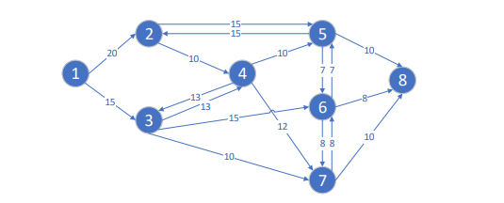
Nodes | Destination | Flow Capacity |  | Flow Distribution
1 | 2 | 20 | >= | 13
1 | 3 | 15 | >= | 15
2 | 4 | 10 | >= | 3
2 | 5 | 15 | >= | 10
3 | 4 | 13 | >= | 0
3 | 6 | 15 | >= | 15
3 | 7 | 10 | >= | 3
Willy Wonka has a chocolate pipeline distribution network as shown below. Each node corresponds to a single storage tank, and the numbers on the edges represent flow capacities (per hour) of some unit of fluid chocolate. Note that flows are allowed in both directions between some, but not all, of the tanks. Willy would like to determine the maximum amount of chocolate that can be sent from tank 1 to tank 8 per hour.
4 | 3 | 13 | >= | 3
4 | 5 | 10 | >= | 0
4 | 7 | 12 | >= | 0
5 | 2 | 15 | >= | 0
5 | 6 | 7 | >= | 0
5 | 8 | 10 | >= | 10
6 | 5 | 7 | >= | 0
6 | 7 | 8 | >= | 7
6 | 8 | 8 | >= | 8
7 | 6 | 8 | >= | 0
7 | 8 | 10 | >= | 10

Decision Variables
Number of Nodes | Input |  | Output
1 | 28 | = | 0
2 | 9 | = | 0
3 | 12 | = | 0
4 | -5 | = | 0
5 | -5 | = | 0
6 | -3 | = | 0
7 | -11 | = | 0
8 | -24 |  | 0 |  | Max Chocolate Sent | 28

